Graph
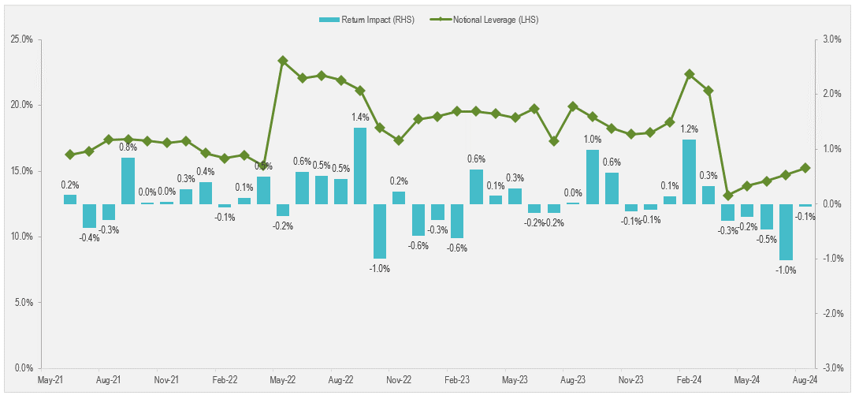
Instructions |  | Notional Leverage (LHS) | Return Impact (RHS)
Recreate the graph below using the data to the right | 2021-06-30 | 16.3% | 0.2%
 | 2021-07-31 | 16.5% | -0.4%
 | 2021-08-31 | 17.4% | -0.3%
 | 2021-09-30 | 17.4% | 0.8%
 | 2021-10-31 | 17.3% | 0.0%
 | 2021-11-30 | 17.1% | 0.0%
 | 2021-12-31 | 17.3% | 0.3%
 | 2022-01-31 | 16.4% | 0.4%
 | 2022-02-28 | 16.0% | -0.1%
 | 2022-03-31 | 16.2% | 0.1%
 | 2022-04-30 | 15.4% | 0.5%
 | 2022-05-31 | 23.4% | -0.2%
 | 2022-06-30 | 22.0% | 0.6%
 | 2022-07-31 | 22.3% | 0.5%
 | 2022-08-31 | 21.9% | 0.5%
 | 2022-09-30 | 21.1% | 1.4%
 | 2022-10-31 | 18.3% | -1.0%
 | 2022-11-30 | 17.3% | 0.2%
 | 2022-12-31 | 19.0% | -0.6%
 | 2023-01-31 | 19.2% | -0.3%
 | 2023-02-28 | 19.5% | -0.6%
 | 2023-03-31 | 19.5% | 0.6%
 | 2023-04-30 | 19.3% | 0.1%
 | 2023-05-31 | 19.0% | 0.3%
 | 2023-06-30 | 19.7% | -0.2%
 | 2023-07-31 | 17.3% | -0.2%
 | 2023-08-31 | 19.9% | 0.0%
 | 2023-09-30 | 19.1% | 1.0%
 | 2023-10-31 | 18.3% | 0.6%
 | 2023-11-30 | 17.8% | -0.1%
 | 2023-12-31 | 17.9% | -0.1%
 | 2024-01-31 | 18.7% | 0.1%
 | 2024-02-29 | 22.3% | 1.2%
 | 2024-03-31 | 21.1% | 0.3%
 | 2024-04-30 | 13.2% | -0.3%
 | 2024-05-31 | 13.9% | -0.2%
 | 2024-06-30 | 14.2% | -0.5%
 | 2024-07-31 | 14.7% | -1.0%
 | 2024-08-30 | 15.2% | -0.1%

